Mindset
Data in a spreadsheet:

 | Columns | Rows | Rows | Rows | Rows
 | Columns
 | Columns
 | Columns

This is what I call "thinking about data like it is a bunch of data!"


Data in a statistical package or data visualization package:

 | Variable 1
 | Variable 2
 | Variable 3

This is what I call "thinking about data like you have several dependent/independent variables!"

Tableau Really likes TALL data - not WIDE data (some exceptions apply!)
https://en.wikipedia.org/wiki/Wide_and_narrow_data
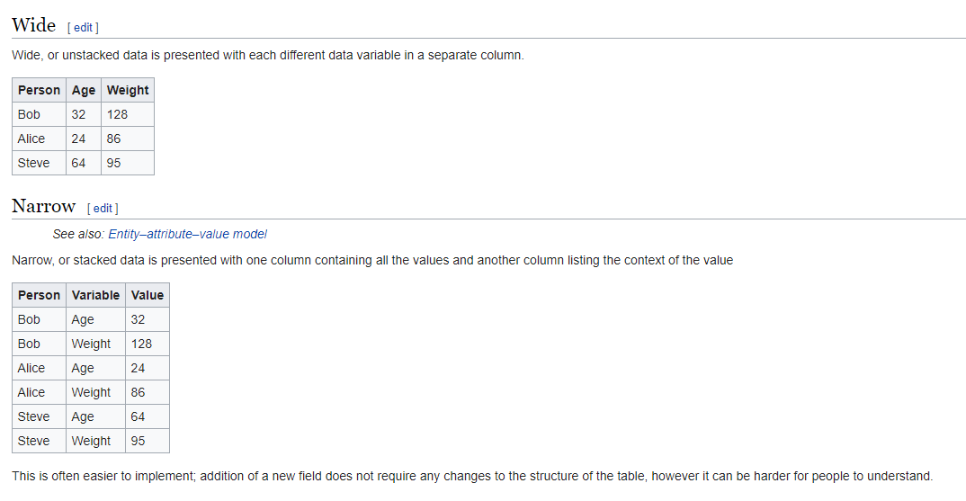

Learning Curve

 | Stage | Trend | Culm Trend
 | 1 | 0 | 0
 | 2 | 6 | 6
 | 3 | 10 | 16
 | 4 | 12 | 28
 | 5 | 8 | 36
 | 6 | 5 | 41
 | 7 | 0 | 41
 | 8 | 0 | 41
 | 9 | 0 | 41
 | 10 | 6 | 47
 | 11 | 12 | 59
 | 12 | 12 | 71
 | 13 | 14 | 85
 | 14 | 6 | 91

Where to get help?
The Tableau Forums!
https://community.tableau.com/community/forums/content
This is probably the best resource for help (IMO).

Starter Kits!
https://www.tableau.com/learn/starter-kits

Learning Videos
https://www.tableau.com/learn/training

Other blogs/ sources:
http://www.makeovermonday.co.uk/
http://www.workout-wednesday.com/
http://www.storytellingwithdata.com/
https://www.vizforsocialgood.com/

